Instructions page
How to use this table

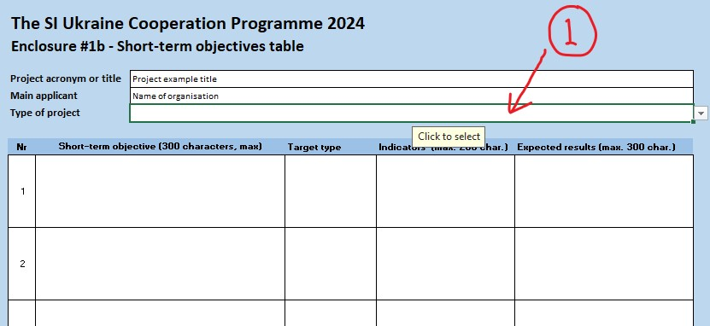
1. Click at the cell D7. Use the icon at the lower right of the cell to open a dropdown list to choose the type of project that your application concerns. Observe that this enclosure should only be used for applications concerning the project types "cooperation project" and "training programme".

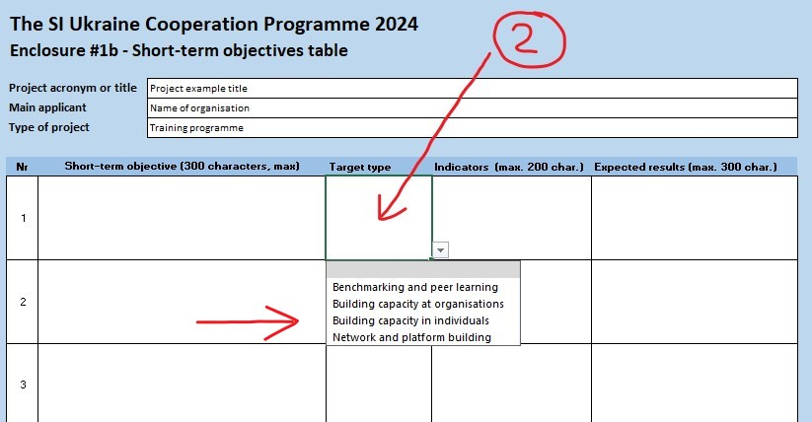
2. When you have indicated the type of project you are applying for, a drop-down list will be available in the lower right of cells under the headline "target type" in column E. Remember that the target type "Building capacity in indviduals" and "Building capacity at organisations" are mandatory for training programmes. For cooperation projects the target type "Building capacity at organisations" is mandatory.

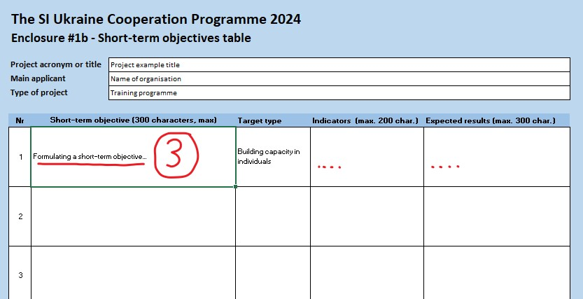
3. When you have indicated a target type it is time to formulate a short-term objective, relevant indicators and expected results. Only one short-term objective should be formulated at each row.

